Application Survey (Autumn2024)
 |  |  |  |  | 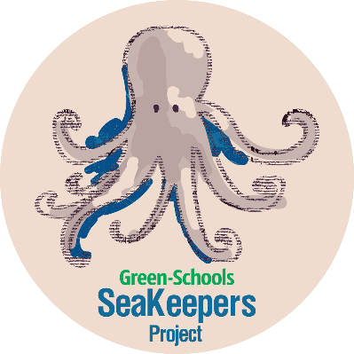
SEAKEEPERS PROJECT DATA COLLECTION SHEET

Application Survey - Autumn 2026
Please randomly select ten students from your class to complete the Species Identification Survey (seperate document); this survey should be completed before there have been any lessons on marine biodiversity taught. Selected students should be given a colour-printed Species Identification Survey and asked to name the animals/plants in the twelve pictures, alternatively they can be called up individually to give their answers directly to teacher. The more specific the answer the better, for example: robin is a better answer than bird, bottlenose dolphin instead of dolphin, horse chestnut tree instead of tree or plant. Students should complete the survey without help from others or internet access - if they have no idea about a specific photo they should just give their best guess or be recorded as "Don't know"; a very low result is expected. Do not display the survey on the IWB and do not ask students to call out their answers, as this may influence others. It should be emphasised that it is not a test and wrong answers are ok. Once the ten surveys are completed, please fill in the students' answers, along with your school details, in the form below and email the file to marine@greenschoolsireland.org by Friday, 20th November, to receive your free SeaKeepers resources. Please do NOT save the file as a PDF. This survey will be repeated later in the year with the same students, after lessons have been taught. Further information will be sent closer to the time.

If multiple classes in one school are applying, please download and complete a separate Data Collection Sheet for each class.
 |  | First, please enter your school details in the yellow boxes below
 | SCHOOL NAME:
 | SCHOOL ADDRESS:
 | SCHOOL EMAIL:
 | TEACHER'S NAME:
 | TEACHER'S EMAIL:
 | SCHOOL PHONE:
 | CLASS GROUP e.g. 1st, 3rd:
 | TOTAL NUMBER OF STUDENTS IN CLASS:
 | CURRENT GREEN-SCHOOLS THEME? (SeaKeepers is only available to schools that have achieved or are currently working towards their Marine Environment flag)
 | DATE OF SURVEY: |  |  |  |  |  |  |  |  |  |  |  |  | 3rd class
 | WILL YOU BE USING THE ENGLISH OR IRISH LANGUAGE VERSIONS OF THE RESOURCES?
 |  |  |  |  |  |  |  |  |  |  |  |  |  | 4th class
 |  |  |  |  |  |  |  |  |  |  |  |  |  | Mixed 3rd/4th
 | Please type student's name or initials below (the same students should repeat the survey in the Spring term) | Photo 1 - please type student's answer below | Photo 2 - please type student's answer below | Photo 3 - please type student's answer below | Photo 4 - please type student's answer below | Photo 5 - please type student's answer below | Photo 6 - please type student's answer below | Photo 7 - please type student's answer below | Photo 8 - please type student's answer below | Photo 9 - please type student's answer below | Photo 10 - please type student's answer below | Photo 11 - please type student's answer below | Photo 12 - please type student's answer below | Other (please specify)
1
2
3
4
5
6
7
8
9
10

